1. Title Page
Project Name: Instacart Grocery Basket Analysis
Date: July 6th, 2025
Analyst Name: Magi Apostoli

Contents:
Population Flow
Consistency checks
Wrangling steps
Column derivations
Visualizations
Recommendations

2. Population Flow
Population flow

Orders_products_combined
Orders_products_merged
Orders_products_all

Total: 32,404,859
Total: 32,434,489
Total: 32,404,859

3. Consistency checks
 |  |  |  | Title page
Consistency checks

Dataset | Missing values | Missing values treatment | Duplicates
orders | 0 |  | 0
products | 16 | dropped | 5
orders_products_prior | 0 |  | 0
customers | 0 |  | 0

4. Wrangling steps
 |  |  |  | Title page
Wrangling steps

Columns dropped | Columns renamed | Columns' type changed | Comment/Reason
eval_set |  |  | not relevant for analysis
 | days_since_prior_order |  | renamed to shorter 'days_between_orders'
 | order_dow |  | renamed to more intuitive 'order_day_of_week'
 |  | order_id | from int to str
 | Gender |  | renamed to 'gender' for consistency
 | STATE |  | renamed to 'state' for consistency
 | Age |  | renamed to 'age' for consistency
 | n_dependants |  | renamed to more intuitive 'household_size'
 |  | date_joined | from str to datetime
First Name |  |  | dropped, PII
Surnam |  |  | dropped, PII
fam_status |  |  | not relevant for analysis

5. Column derivations
Column derivations and aggregations

Dataset | New column | Column/s it was derived from | Conditions
ords_prods_merge | price_range | product_name, price | low-range <=5$; mid-range 6-15$; high-range >15$
ords_prods_merge | busiest_days | orders_day_of_week | busiest two days (Sun and Mon), least two busy days (Wed and Thur), regularly busy days (Tue, Fr-Sa) - by number of orders
ords_prods_merge | busiest_period_of_day | order_hour_of_day | Most orders, average orders, fewest orders - by number of orders
ords_prods_merge | loyalty_flag | user_id, order_number | Loyal customer (> 40 orders), Regular customer (11-40 orders), New customer (<=10 orders)
ords_prods_merge | spending_flag | user_id, prices | Low spender - average price per product < 10 $; High spender >=10$
ords_prods_merge | frequency_flag | user_id, days_between_orders | Frequent customer <=10 days; Regular customer 11-20 days; Non-frequent customer >20 days
ords_prods_cust | region | state, region | 4 regions: Midwest, Northeast, South, West
ords_prods_cust | income_group | income | 3 labels: Low (≤$70K), Middle (≤$120K), and High (>$120K)
ords_prods_cust | household_group | household_size | 3 labels: 1, 2, 3 (people in household)
ords_prods_cust | age_group | age | 4 labels: 'Under 30', '30-44', '45-59', '60+'
ords_prods_cust | family_status | household_size | 2 labels: 'Single' (1 Person), 'Not Single' (2+ p in household)

6. Visualizations
 |  |  |  |  |  |  |  |  |  |  |  |  |  | Title page

Visualisations

In this tab you should include all the visualtions from Exercises 4.9 and 4.10, alongside the questions from the project brief that they answer. Include any commentary on the relationship between different variables.

Question
The sales team needs to know what the busiest days of the week and hours of the day are (i.e., the days and times with the most orders) in order to schedule ads at times when there are fewer orders.
Answer
- Busiest days: The bar chart shows that Saturday(0) and Sunday(1) are by far the busiest days.
- Orders per hour: Orders peak between 10 AM and 3 PM. At their lowest between 12:00 and 5 AM (sleep time for most people).

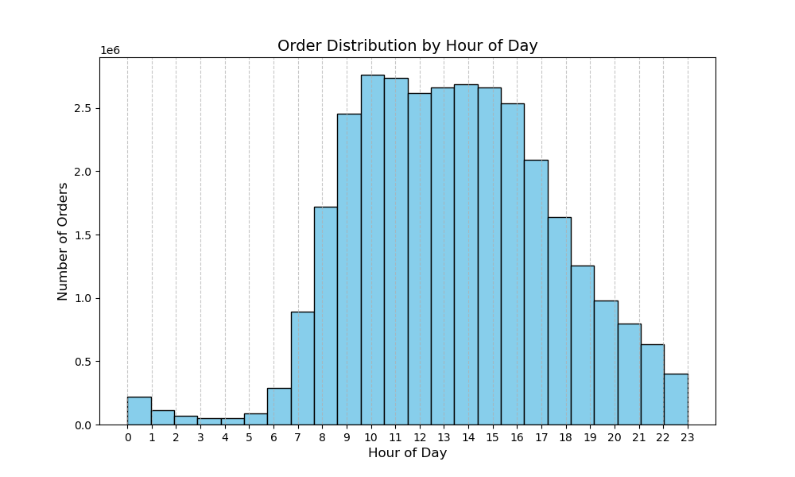
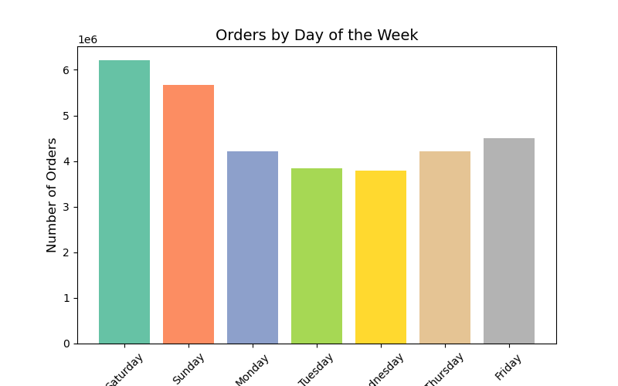

Question
They also want to know whether there are particular times of the day when people spend the most money, as this might inform the type of products they advertise at these times.
Answer
- Prices per day: The line graph indicates that prices are at their highest on Friday and Saturday. The rest of the days are pretty similar.
- Prices per hour: Prices peak at night, are at their lowest at 10 AM and recover during the day occurs between 8 and 10 PM, after which prices decrease once more.

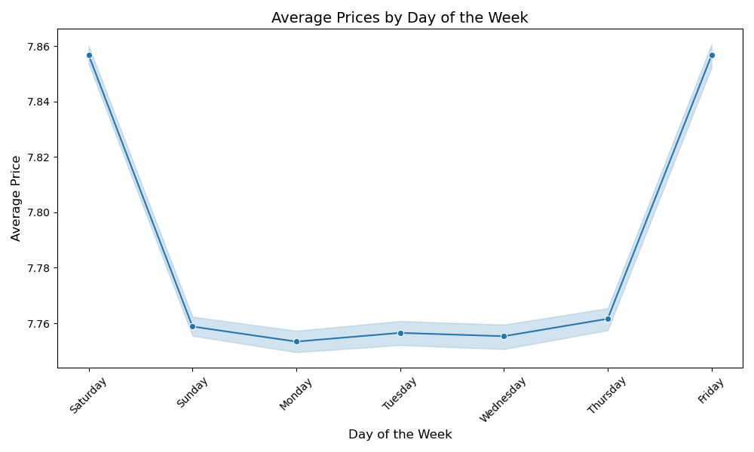
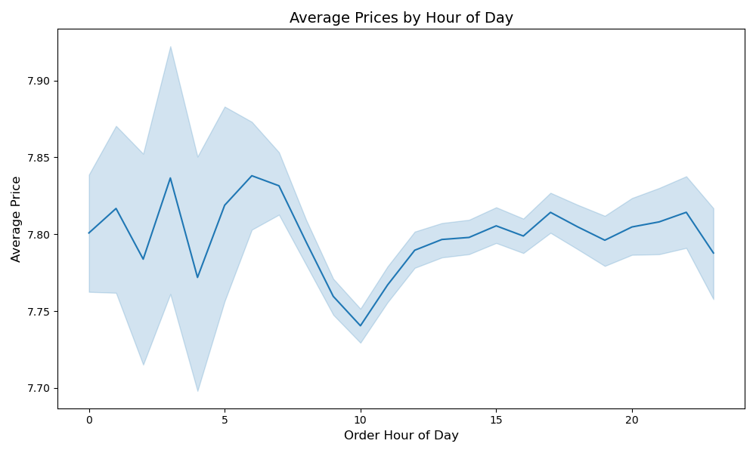

Question
Instacart has a lot of products with different price tags. Marketing and sales want to use simpler price range groupings to help direct their efforts.
Answer
- Vast majority of products are priced up to 15$. Few products are priced between 15-25$. (left graph)
- In the right graph we see the products grouped in 3 price ranges: low-range ( up to 5$), mid-range (5-15$) and high-range(15-25$).
- Most products are mid-range, the rest are low-range products with very few high range products.

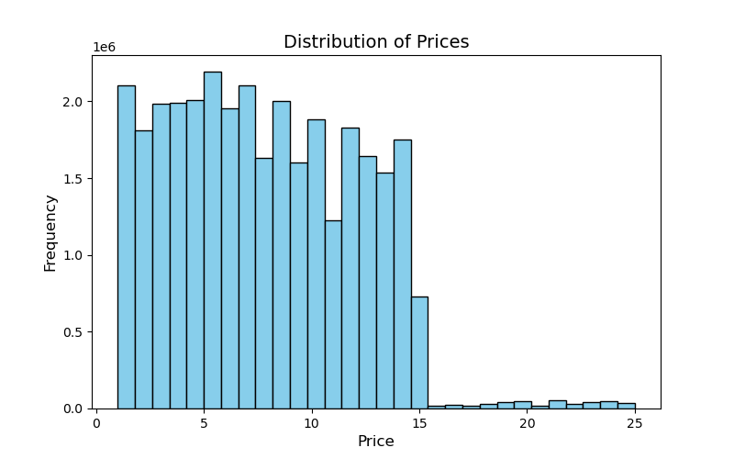

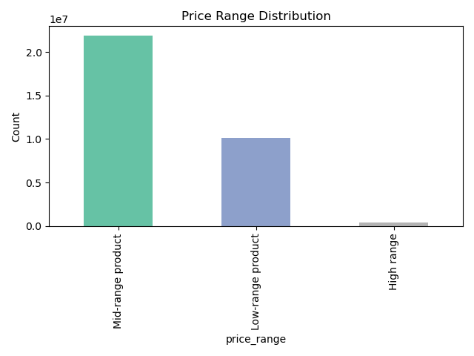

Question
Are there certain types of products that are more popular than others? The marketing and sales teams want to know which departments have the highest frequency of product orders
Answer
- Produce outperforms other departments by far. It is then followed by dairy and eggs at number 2.
- Snacks, beverages, frozen foods, pantry staples follow.

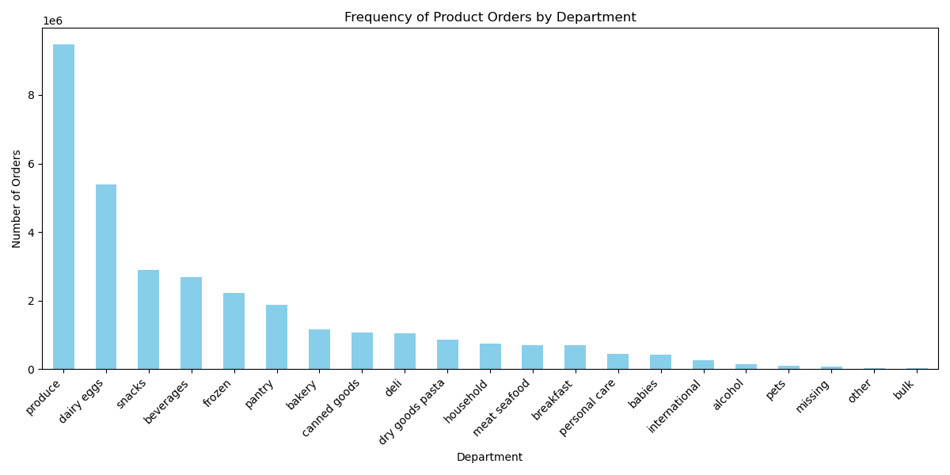

Question
What’s the distribution among users with regards to their brand loyalty (i.e., how often do they return to Instacart)?
Answer
- The pie chart shows that 49% of Instacart customers are regular users, over 30% are loyal customers and almost 20% are new customers.

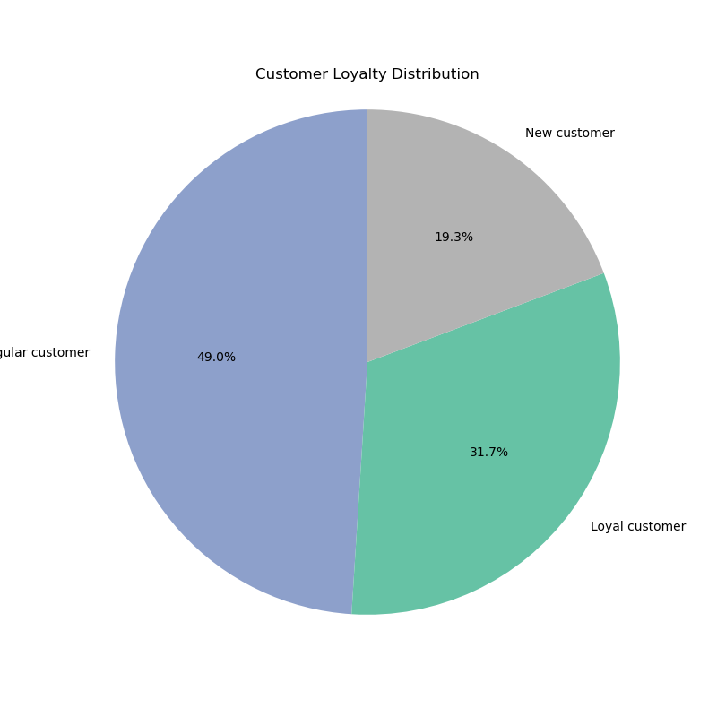

Question
Are there differences in ordering habits based on a customer’s loyalty status?
Answer
- As shown in the table below almost all customers are low spenders.
- New customers have the highest percentage of high spender, almost 1%.
loyalty | High spender | Low spender
Loyal customer | 0.1% | 99.9%
New customer | 0.9% | 99.1%
Regular customer | 0.3% | 99.7%

Question
Are there differences in ordering habits based on a customer’s region?
Answer
- Favorite time of day for shopping: For all regions in the afternoon, then morning, and last evening/night.
- All regions have mostly regular customers, followed by loyal customers, and lastly new customers and the distribution is fairly similar. By far, the South has the largest number of customers (this explains the higher volume in sales)
- We grouped income into Low (≤$70K), Middle (≤$120K), and High (>$120K); all regions have ~43% middle-income customers, ~27% low-income, and ~30% high-income, with slightly higher earners in the Midwest and Northeast.
- Household size: Vary between 1-3 persons. Instacart is at this time primarily used by singles, then in equal portions by couples and households of three. The observation applies to all four regions.
-All regions have almost only low spenders.
- Age: The 60+ group is the largest across all regions, 30–44 and 45–59 are similar in size (except in the South where 30–44 dominates), and under-30s are the smallest everywhere.

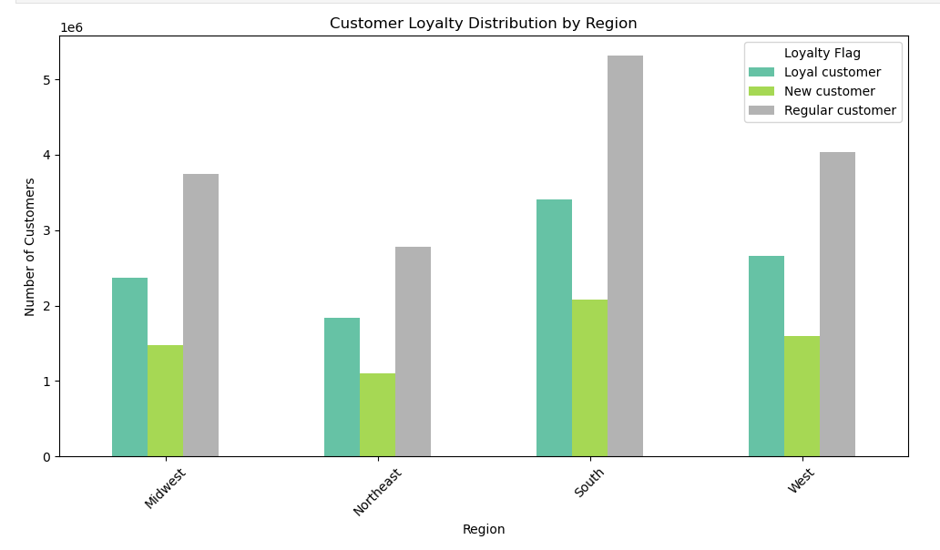
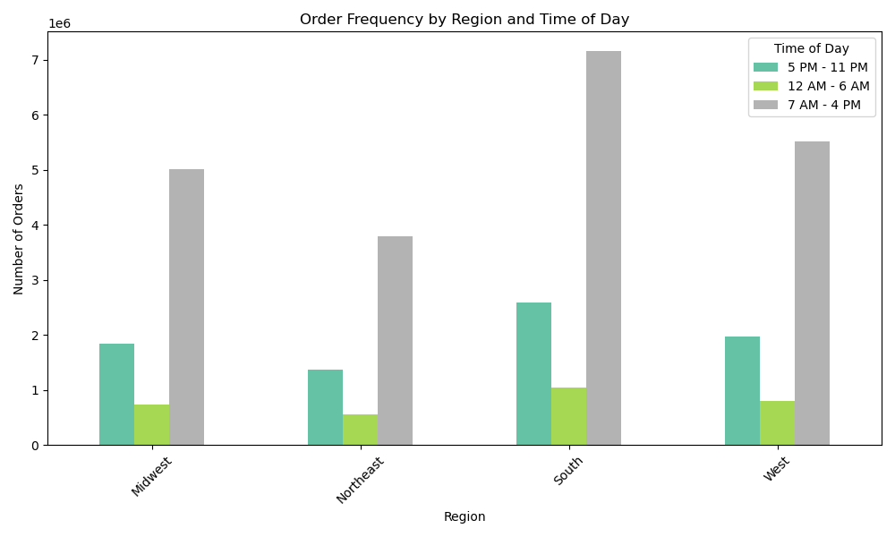

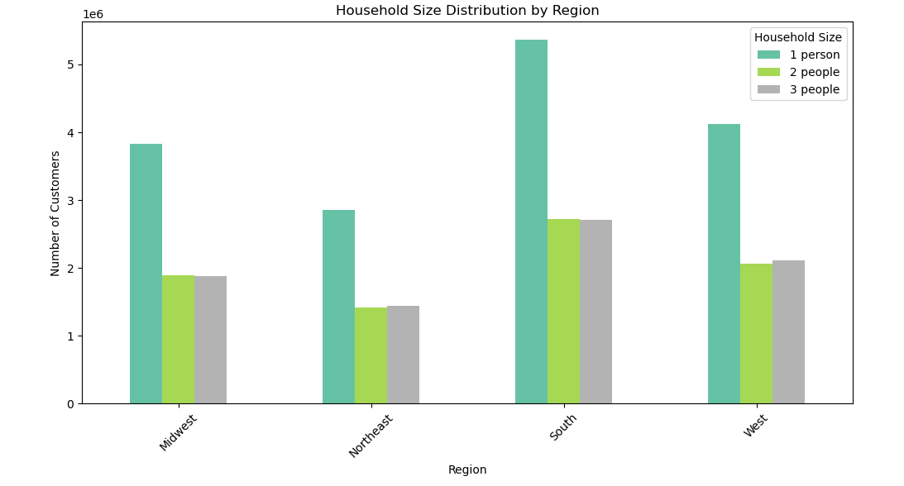
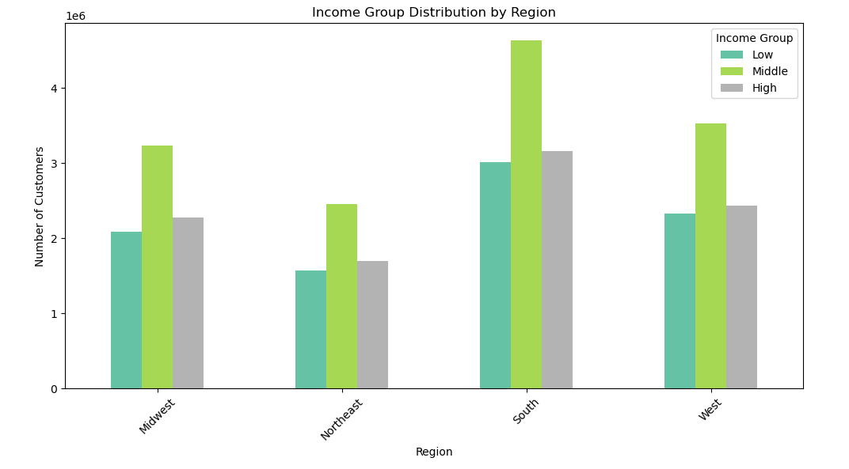

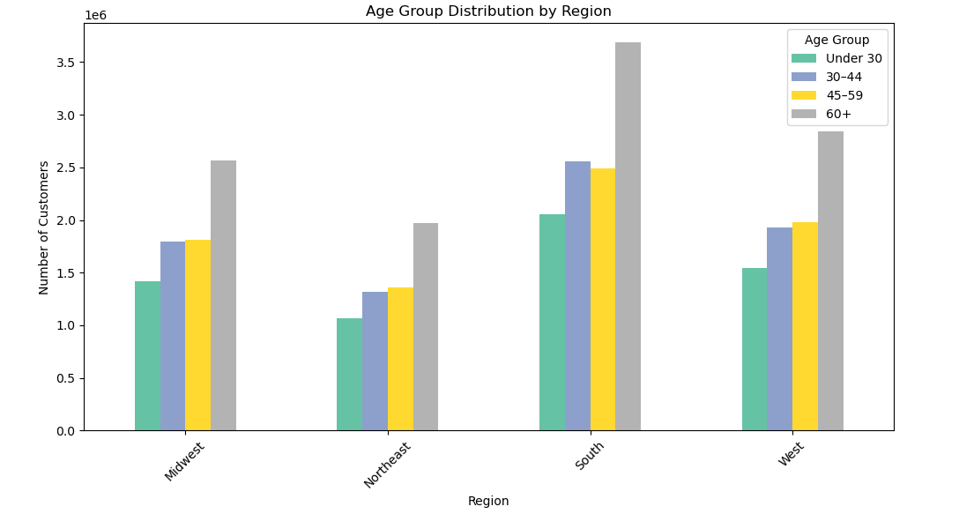
 | region | High spender | Low spender
 | Midwest | 0.39% | 99.61%
 | Northeast | 0.33% | 99.67%
 | South | 0.38% | 99.62%
 | West | 0.38% | 99.62%

Question
Is there a connection between age and family status in terms of ordering habits?
Answer
- In terms of orderning time, there are almost no differences across age and family status groups.

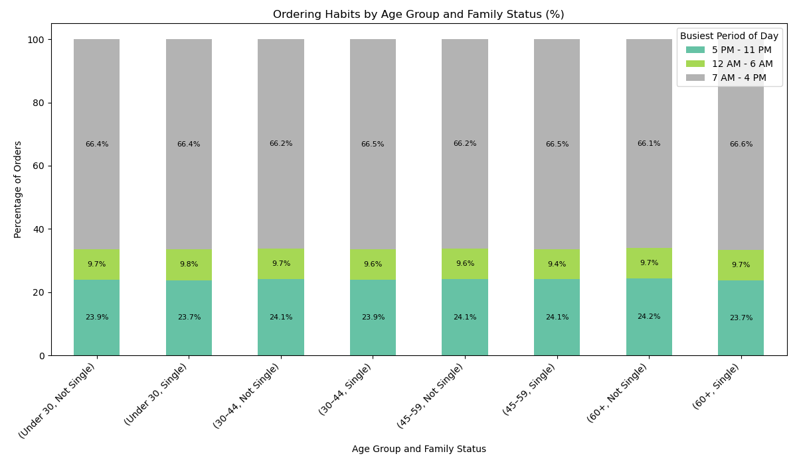

Question
What different classifications does the demographic information suggest? Age? Income? Certain types of goods? Family status?
Answer
- Age: Nearly 35% of customers are aged 60 and above, followed by the 45–59 and 30–44 age groups, each making up almost 24%. The youngest group, under 30, accounts for less than 20%.
- Income: There is little correlation between age and income, except for a noticeable upward trend starting around the 40s. The scatterplot shows more data points (bubbles) appearing after age 40, suggesting some customers move up the income ladder at that stage.
-Favorite Departments by Age: The percentages across departments are very similar among age groups, with only minor differences. For example, produce is favored 0.2% more by customers 60+ (29.3%) than others, beverages are 0.2% more popular among 45–59 year olds (8.4%), and 30–44 year olds slightly lead in produce preference (29.4% vs. 29.1% for under 30s). A more detailed product-level analysis is recommended, as department-level data doesn’t reveal actionable insights about specific age group preferences.
- Family status and Age: No clear correlation is observed, almost identical figures accross age groups.

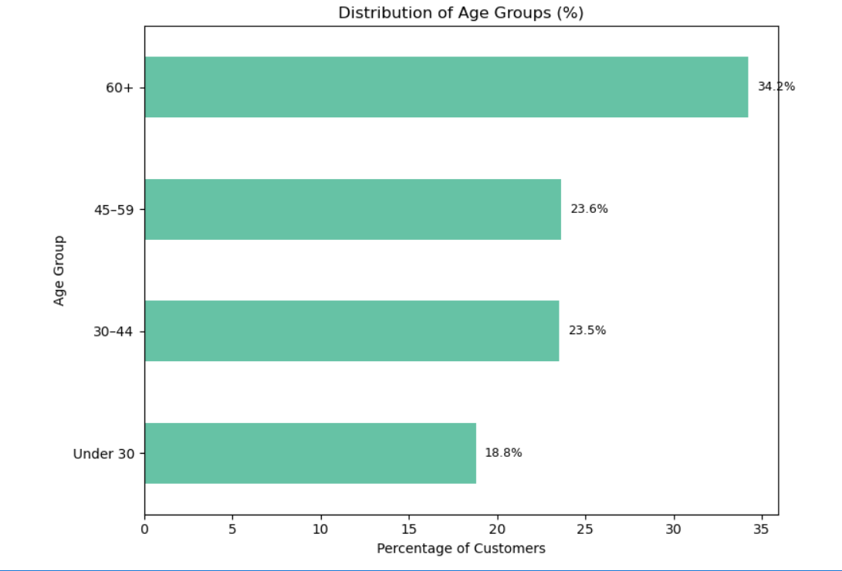
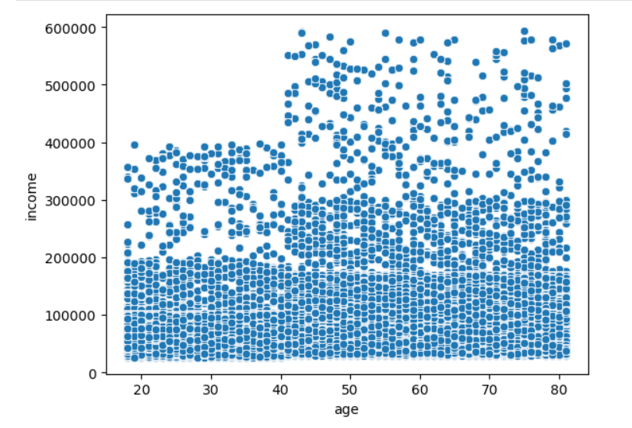

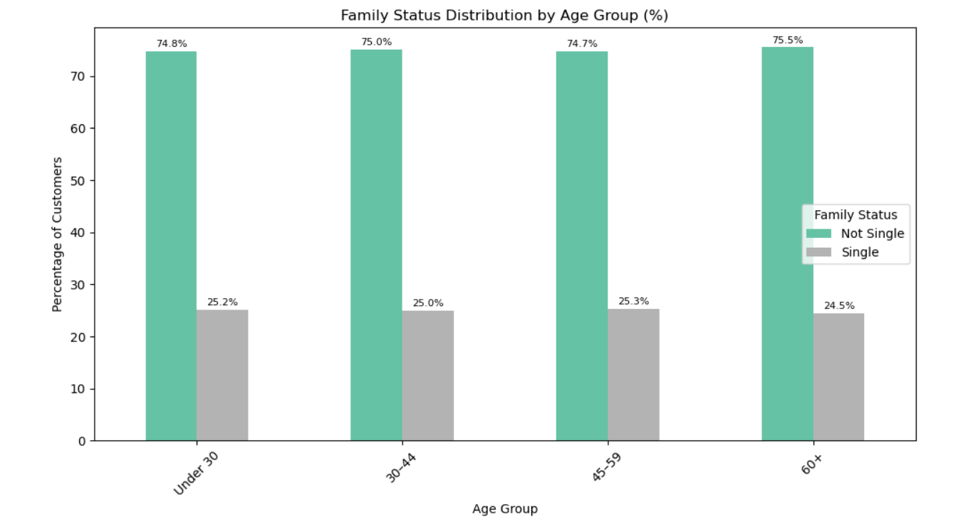
 |  |  |  |  |  |  |  |  | Favorite departments by Age group (in percentages)
 |  |  |  |  |  |  |  |  | department | Under 30 | 30–44 | 45–59 | 60+
 |  |  |  |  |  |  |  |  | alcohol | 0.5 | 0.5 | 0.5 | 0.5
 |  |  |  |  |  |  |  |  | babies | 1.3 | 1.3 | 1.3 | 1.3
 |  |  |  |  |  |  |  |  | bakery | 3.6 | 3.6 | 3.6 | 3.6
 |  |  |  |  |  |  |  |  | beverages | 8.2 | 8.2 | 8.4 | 8.3
 |  |  |  |  |  |  |  |  | breakfast | 2.2 | 2.2 | 2.2 | 2.2
 |  |  |  |  |  |  |  |  | bulk | 0.1 | 0.1 | 0.1 | 0.1
 |  |  |  |  |  |  |  |  | canned goods | 3.3 | 3.3 | 3.3 | 3.3
 |  |  |  |  |  |  |  |  | dairy eggs | 16.7 | 16.7 | 16.6 | 16.6
 |  |  |  |  |  |  |  |  | deli | 3.2 | 3.2 | 3.2 | 3.2
 |  |  |  |  |  |  |  |  | dry goods pasta | 2.7 | 2.7 | 2.7 | 2.7
 |  |  |  |  |  |  |  |  | frozen | 6.9 | 6.8 | 6.9 | 6.9
 |  |  |  |  |  |  |  |  | household | 2.3 | 2.3 | 2.3 | 2.3
 |  |  |  |  |  |  |  |  | international | 0.8 | 0.8 | 0.8 | 0.8
 |  |  |  |  |  |  |  |  | meat seafood | 2.2 | 2.2 | 2.2 | 2.2
 |  |  |  |  |  |  |  |  | missing | 0.2 | 0.2 | 0.2 | 0.2
 |  |  |  |  |  |  |  |  | other | 0.1 | 0.1 | 0.1 | 0.1
 |  |  |  |  |  |  |  |  | pantry | 5.8 | 5.8 | 5.8 | 5.8
 |  |  |  |  |  |  |  |  | personal care | 1.4 | 1.4 | 1.4 | 1.4
 |  |  |  |  |  |  |  |  | pets | 0.3 | 0.3 | 0.3 | 0.3
 |  |  |  |  |  |  |  |  | produce | 29.1 | 29.4 | 29.1 | 29.3
 |  |  |  |  |  |  |  |  | snacks | 8.9 | 8.9 | 8.9 | 8.9

Question
What differences can you find in ordering habits of different customer profiles? Consider the price of orders, the frequency of orders, the products customers are ordering, and anything else you can think of.
Answer
- Orders: The 60+ group places the most orders (~34.26% of all orders), followed by 45-59 and 30-44 with similar shares (~23.6% and ~23.4 . The Under 30 group places the fewest orders (~18.7%).
- Reorders: The reorder percentages mirror the order counts very closely. The 60+ group accounts for 34.11% of reorders, almost exactly matching their order share. This suggests reorder behavior is consistent across age groups relative to their order volumes.
- Number of customers by age group: The largest number of customers is actually in the 60+ group (34.15%), closely matching their order and reorder shares. The Under 30 group has the smallest customer base (18.79%), consistent with their lower order counts.

Orders by age group |  |  |  | Reorders (products) by age group |  |  | Number of customers by age group
age_group | order count total | orders in % |  | age_group | reordered products count | reorders in % | age_group | count | %
Under 30 | 600,982 | 18.69% |  | Under 30 | 3,590,913 | 18.80% | 60+ | 11067255 | 34.15%
30–44 | 752,036 | 23.39% |  | 30–44 | 4,489,155 | 23.50% | 45–59 | 7647520 | 23.60%
45–59 | 760,194 | 23.65% |  | 45–59 | 4,507,676 | 23.59% | 30–44 | 7599643 | 23.45%
60+ | 1,101,473 | 34.26% |  | 60+ | 6,517,749 | 34.11% | Under 30 | 6090441 | 18.79%
total | 3,214,685 | 100% |  | total | 19,105,493 | 100.00% | total | 32404859 | 100.00%

7. Recommendations
 | Title page

Recommendations

Advertising Timing & Internal Operations

Run promotional campaigns during lower-traffic times.
Since afternoons are consistently the busiest order period across all demographics, ad scheduling should focus on off-peak hours—specifically 6–8 AM and 6–10 PM—to help smooth out order volume and reduce strain on fulfillment operations.
These off-peak hours are also more suitable for running inventory-related tasks. Meanwhile, peak hours should be prioritized for internal staffing to ensure timely fulfillment of online customer orders.

Age Group-Specific Strategies

- Focus retention strategies and tailored promotions on the 60+ segment.
They are the largest customer group, place the most orders, and show strong reorder behavior — they are the core customer base. Loyalty rewards or targeted discounts could enhance long-term value.

- Increase engagement of the under-30 group through targeted acquisition campaigns.
They’re underrepresented (only ~19%), so tailored marketing (e.g., via social media or mobile app offers) could capture a larger share of this long-term potential group.

Product & Department Strategy

- Drill down into product-level preferences instead of departments.
Our analysis focusing on department level shows no differentiation. To build actionable recommendations we need to analyze sales at product-level.

Customer Segmentation & Spend Potential

- Identify and nurture new customers with high-spender potential.
Even if by a little, new customers show the highest percentage of high spenders. Consider a "new premium customer" onboarding track with curated suggestions and discounts.

- Develop upsell strategies for low and middle-income segments.
Since most customers are low spenders across all regions, focus on increasing basket size with bundle deals, "buy again" nudges, or time-limited add-ons.

Regional Aspect

- Customize regional promotions by income distribution.
Slightly higher income levels in the Northeast and Midwest could support premium product promotions or free delivery thresholds.

Since afternoons are consistently the busiest order period across all demographics, ad scheduling should focus on off-peak hours—specifically 6–8 AM and 6–10 PM—to help smooth out order volume and reduce strain on fulfillment operations.

These off-peak hours are also more suitable for running inventory-related tasks. Meanwhile, peak hours should be prioritized for internal staffing to ensure timely fulfillment of online customer orders.

Since afternoons are consistently the busiest order period across all demographics, ad scheduling should focus on off-peak hours—specifically 6–8 AM and 6–10 PM—to help smooth out order volume and reduce strain on fulfillment operations.

These off-peak hours are also more suitable for running inventory-related tasks. Meanwhile, peak hours should be prioritized for internal staffing to ensure timely fulfillment of online customer orders.

